notes
Contents | Processed data for Schwartz sA-SJ
 | Subjects are all LQTS1
 | Data generated from 8-channel 2-hour Mortara Holter recordings taken between 3am and 5am
 | Intervals (in ms) are as obtained from ECGdelineator v6.1.3 but processed to impute missing values and outliers

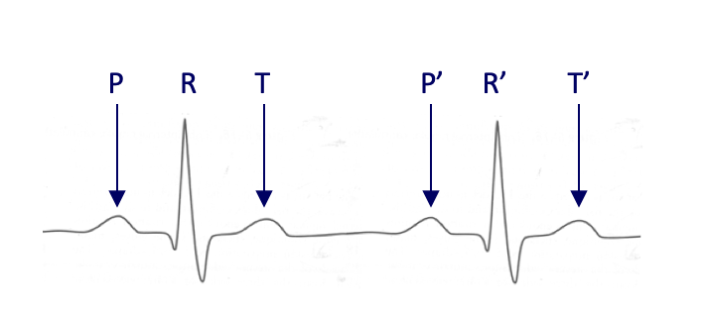
Columns | b | beat number
 | PPn | PP'
 | RRn | RR'
 | TTn | TT'
 | PR | PR
 | RT | RT
 | PT | PT
 | TPn | TP'

Original case data | ID | Date of birth | Gender | time start | time end | rec date
 | sA | 1941-05-02 | m | 12:23:00 | 7:04:00
 | sB | 1938-03-10 | m | 12:42:00 | 9:29:00
 | sC | 1958-02-04 | m | 12:09:00 | 8:46:00
 | sD | 1949-11-18 | m | 12:37:00 | 10:10:00
 | sE | 1953-04-18 | f | 12:32:00 | 8:56:00 | 2004-08-05
 | sF | 1948-10-01 | m | 11:47:00 | 10:09:00 | 2003-11-09
 | sH | 1949-12-12 | f | 15:39:00 | 13:23:00 | 2004-08-05
 | sI | 1945-10-27 | m | 13:25:00 | 9:51:00 | 2004-08-05
 | sJ | 1946-10-13 | m | 9:47:00 | 8:44:00 | 2004-08-06

